Mozport
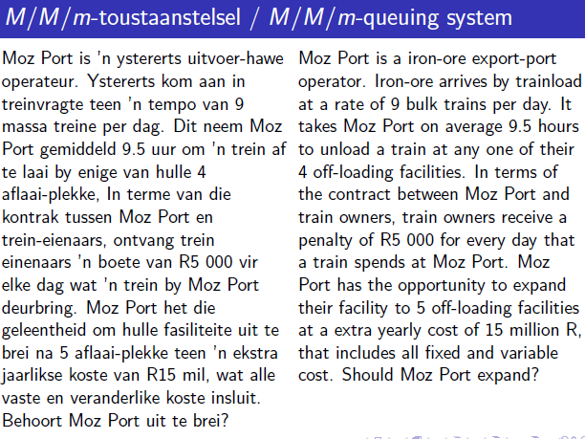
lambda |  | trains per day (arrival rate) | assume: | 24 | hours per day
mu |  | trains per day (service rate) |  | 365.25 | days per year
m
mmu
Ls
rho |  | <1?
 |  |  | Sum for P0
Lq |  | trains | n | sumterms
Ls |  | trains
L |  | trains
Wq |  | days
Ws
W |  | days
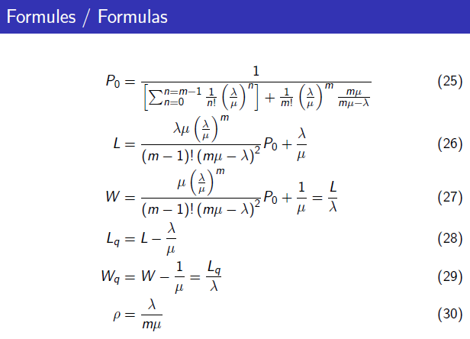
rho
P0

annual penalties:
lambda | 0
W | 0 | days
penalty | R5,000.00 | per day
days | 365.25 | days

 | current | proposed
Facilities: | 4 | 5
annual penalties:

savings | R-
extra cost | R15,000,000.00
annual net gain= | -R15,000,000.00

